Map
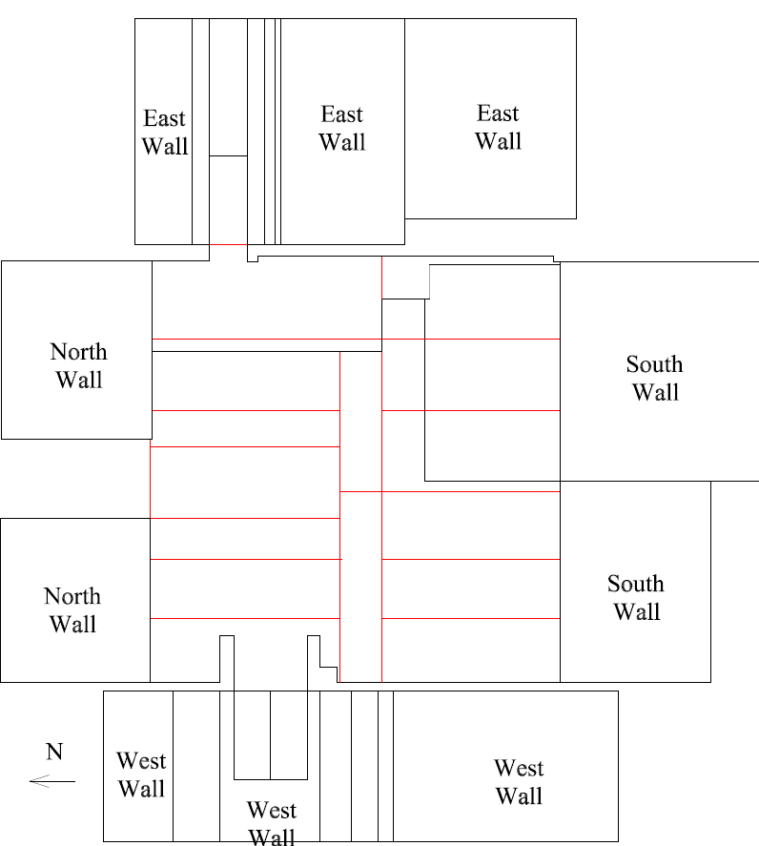

Survey No | INIS-022120-1313
Date | 2020-02-20
Survey Tech | M. Renderos
Count Room Tech | P. Ray
Date Counted | 2020-02-21
Survey Type | Characterization
Level of Posting | CA
Comments

Map (2)
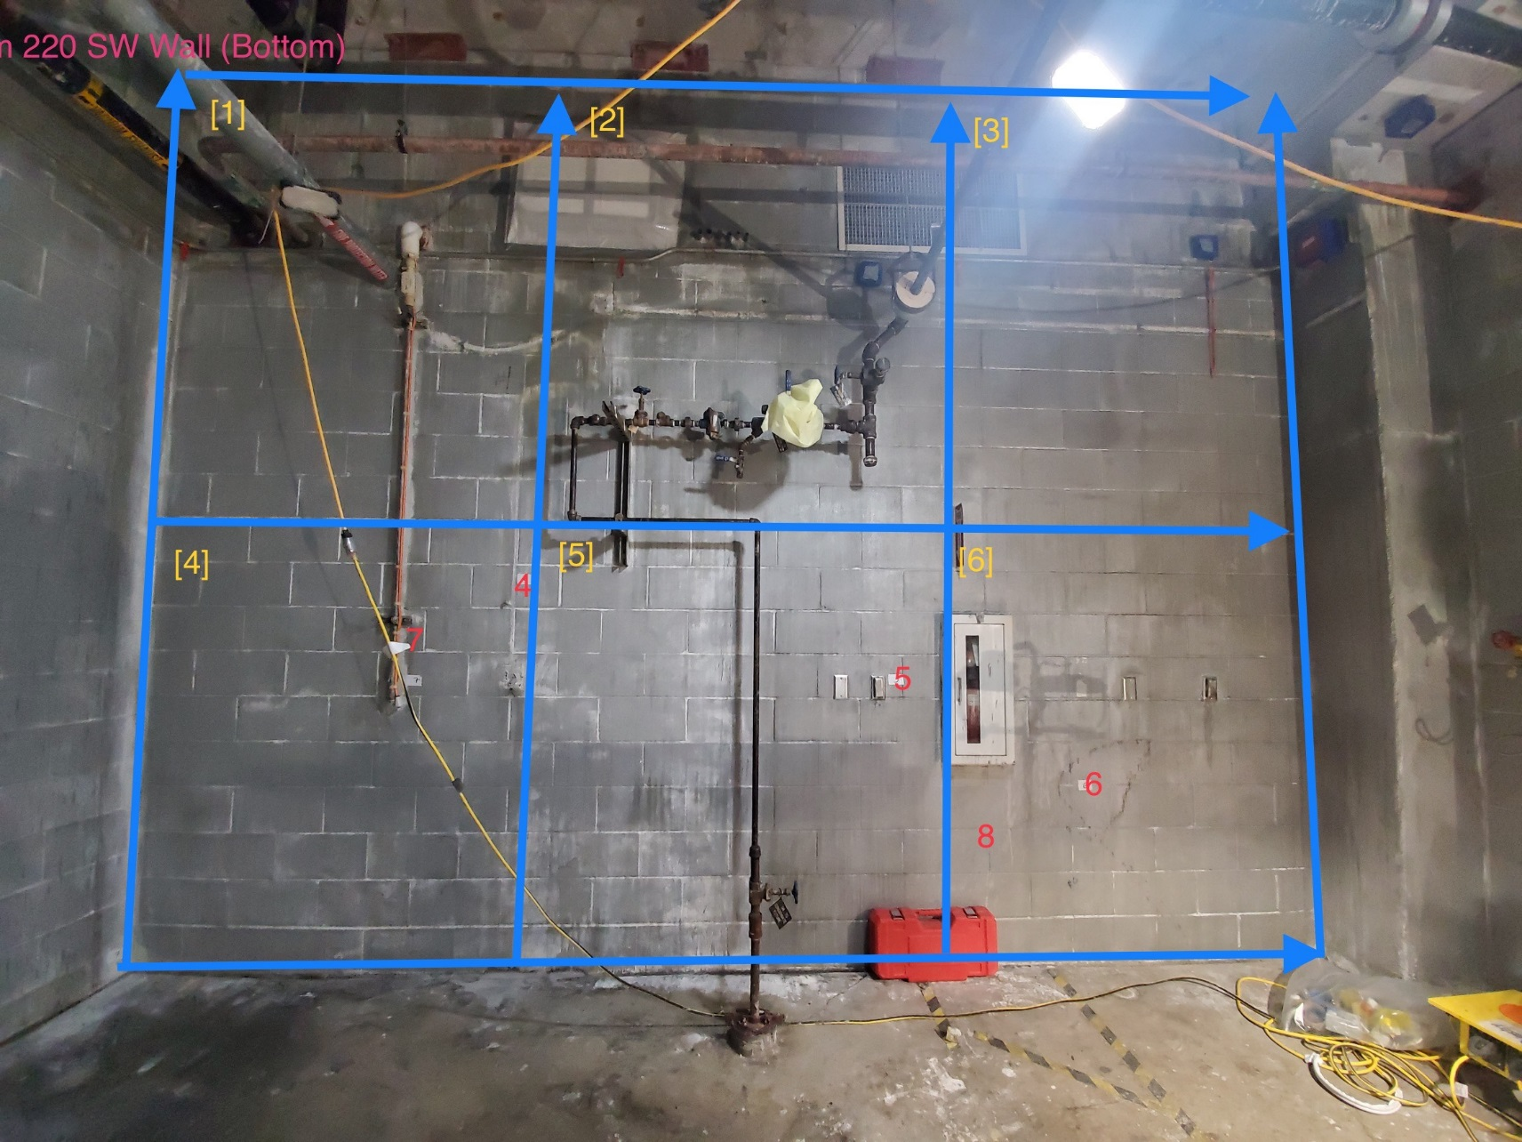

Survey No | INIS-022120-1313
Date | 2020-02-20
Survey Tech | M. Renderos
Count Room Tech | P. Ray
Date Counted | 2020-02-21
Survey Type | Characterization
Level of Posting | CA
Comments

